Week 1
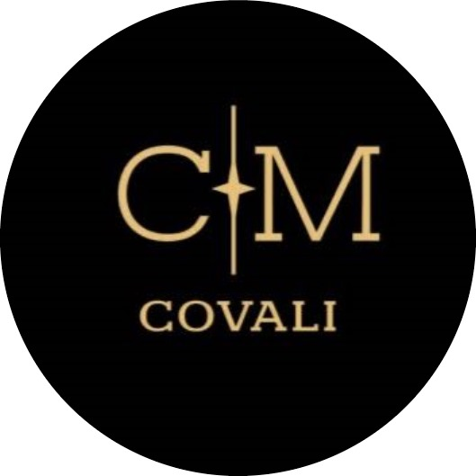 Time Table Date : 22 - 26 April

 | Monday |  | Tuesday |  | Wednesday |  | Thursday |  | Friday |  | Saturday |  | Sunday |  | Total / week
 | 22 |  | 23 |  | 24 |  | 25 |  | 26 |  | 27 |  | 28

Mihael Druzeta |  |  |  |  |  |  |  |  |  |  |  |  |  |  |  |  | Total Hours = 8 weeks
 |  |  |  |  |  |  |  |  |  |  |  |  |  |  |  | Mihael Druzeta | 209
 | Description | Time / Hour | Description | Time / Hour | Description | Time / Hour | Description | Time / Hour | Description | Time / Hour | Description | Time / Hour | Description | Time / Hour | Total / week | Mihaela Covali | 201.15
 | Team Meeting | 3 | Idea discussion | 3 | Idea discussion | 2 | Finishing touches | 4 | Idea discussion | 4 |  |  |  |  | 27.5 | Timofei Arefev | 180
 | Code of conduct | 0.5 | Process | 3 | Teacher meeting | 0.5 | Writing documentation | 1 | Process | 3 |  |  |  |  |  | Daryl Genove | 186.5
 |  |  |  |  | Organising Team Work | 1 | Teacher meeting | 0.5 |  |  |  |  |  |  |  | Peter Zlamala | 51.5
 |  |  |  |  | Logo design | 2 |  |  |  |  |  |  |  |  |  | Erika Nicolau | 196
 |  |  |  |  |  |  |  |  |  |  |  |  |  |  |  | Jia Men Lam | 180.5

Total |  | 3.5 |  | 6 |  | 5.5 |  | 5.5 |  | 7 |  | 0 |  | 0

Mihaela Covali

 | Description | Time / Hour | Description | Time / Hour | Description | Time / Hour | Description | Time / Hour | Description | Time / Hour | Description | Time / Hour | Description | Time / Hour | Total / week
 | Code Of Coduct | 0.5 | Brainstorming Ideas | 4 | Clasifying Ideas | 2 | Quality Control | 4 | Design Documentation | 4 | Quality Control | 4 |  |  | 28.5
 | Brainstorming Ideas | 3 |  |  | Teachers Meeting | 0.25
 |  |  |  |  | Organising Team Work | 0.25
 |  |  |  |  | Design Documentation | 5
 |  |  |  |  | Logo Design | 0.5
 |  |  |  |  | Discussing Needed Components | 1

Total |  | 3.5 |  | 4 |  | 9 |  | 4 |  | 4 |  | 4 |  | 0

Timofei Arefev

 | Description | Time / Hour | Description | Time / Hour | Description | Time / Hour | Description | Time / Hour | Description | Time / Hour | Description | Time / Hour | Description | Time / Hour | Total / week
 | Idea generation for project | 3 | Idea generation for project | 3 | Work on documentation | 5 | Make app design | 3 | Work on documenta | 4 |  |  |  |  | 18

Total |  | 3 |  | 3 |  | 5 |  | 3 |  | 4 |  | 0 |  | 0

Daryl Genove

 | Description | Time / Hour | Description | Time / Hour | Description | Time / Hour | Description | Time / Hour | Description | Time / Hour | Description | Time / Hour | Description | Time / Hour | Total / week
 | Team Meeting | 3 | Team Meeting | 3 | Team Meeting | 3 | Functional Requirement | 3 | Team Meeting | 3 | Presentation(Poll) | 2.25 | Checking Quality (Presentation) | 3 | 27.7
 |  |  |  |  |  |  | Priority Level | 2 | Team Meeting | 3 |  |  | Checking Collaborative Goal | 0.45
 |  |  |  |  |  |  |  |  | Risk Analysis | 2

Total |  | 3 |  | 3 |  | 3 |  | 5 |  | 8 |  | 2.25 |  | 3.45

Peter Zlamala

 | Description | Time / Hour | Description | Time / Hour | Description | Time / Hour | Description | Time / Hour | Description | Time / Hour | Description | Time / Hour | Description | Time / Hour | Total / week
 | Code of conduct | 0.5 | team meeting | 3 | team meeting | 3 | budget creationand alocating components | 3 | team meeting | 3 | finishing budget and documents | 2 | deadline for poll and division of work | 2 | 19
 | Project discusion | 2.5

Total |  | 3 |  | 3 |  | 3 |  | 3 |  | 3 |  | 2 |  | 2

Erika Nicolau

 | Description | Time / Hour | Description | Time / Hour | Description | Time / Hour | Description | Time / Hour | Description | Time / Hour | Description | Time / Hour | Description | Time / Hour | Total / week
 | Code Of Coduct | 0.5 | Brainstorming Ideas(online) | 3 | Choosing idea as main topic | 2 | Research about the project | 4 | Design Documentation | 4 | Design Documentation - Creating one final document | 2 | Design Documentation - Quality control | 2 | 23.5
 | Brainstorming Ideas(online) | 3 |  |  | Logo decisions | 1
 |  |  |  |  | Implementation next actions | 2

Total |  | 3.5 |  | 3 |  | 5 |  | 4 |  | 4 |  | 2 |  | 2

Jia Men Lam

 | Description | Time / Hour | Description | Time / Hour | Description | Time / Hour | Description | Time / Hour | Description | Time / Hour | Description | Time / Hour | Description | Time / Hour | Total / week
 | Meeting with new groep - code of conduct - role position | 4 | Brainstorming Ideas in atelier | 3 | Choosing idea as main topic - logo decisions - implementation decisions | 5 | Requirement analysis: - Nonfunctional design - priority levels | 2.5 | Requirement analysis - quality control | 2 | Requirement analysis - quality control | 1 |  |  | 22.5
 |  |  | Researching more information for new ideas | 1 |  |  |  |  | Meeting / atelier | 3
 |  |  | Create the time table | 1

Total |  | 4 |  | 5 |  | 5 |  | 2.5 |  | 5 |  | 1 |  | 0

